Lab Procedure
LAB PROCEDURE | TEST DATA
Equipment required | Time (min) | SSV (mL/L) | SSC (mg/L) | Comments / Instructive Guide | Observations
A 2-liter Mallory Settleometer with a wide, plastic stirrer | 0 |  |  |  | (a) During the first 5 – 10 minutes:
A laboratory clock | 5 |  |  |  | (i) How does the floc look?
A pipette with a suction bulb | 10 |  |  | Fill in (a) | ___Granular ___Compact
 | 15 |  |  |  | ___Fluffy ___Feathery
Procedure | 20 |  |  |  | (ii) What is the size of the agglomerating
1. Collect the sample near aeration tank effluent weirs. | 25 |  |  |  | floc?
2. Collect a sample from each aeration tank. | 30 |  |  | Fill in (b) | ___ Large ___Small
3. Run settling tests immediately after collecting the sample | 40 |  |  |  | (iii) How are the sludge particles
4. Pour fresh well-mixed sample to the line at the top of the settleometer | 50 |  |  |  | settling?
5. Gently mix with wide paddle and stop current | 60 |  |  |  | ___ As a Blanket
6. Start timer for 5 minutes | 90 |  |  | SSV & SSC reading & calculations for a time duration of 90 mins or more, are only required when the sludge settles slowly. | ___ As individual Particles
Caution | 120 |  |  |  | (iv) How does the supernatant look?
– The first 5 minutes are critical | 150 |  |  |  | ___Clear ___Cloudy
– Observe the floc characteristics, channeling | 180 |  |  |  | (v) Is there straggler floc in the
– Observe the supernatant quality | 240 |  |  |  | supernatant?
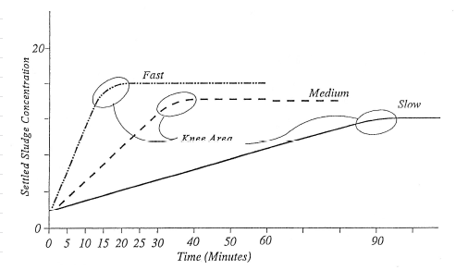
– Record your observations in log or settling test bench sheet |  |  |  |  | ___ Yes ___ No
– Continue with readings every 5 minutes for the first 30 minutes, then every 10 minutes until 60. |  |  |  |  | If Yes, how much
• Read again in 2 hours |  |  |  |  | ___ Lots ___ Not much
– further compaction?
– floating sludge? |  |  |  |  | (b) At the end of 30 minutes:
• Leave on bench and check after 4 hours |  |  |  |  | How does the sludge blanket look?
– Do you observe floating sludge? |  |  |  |  | ___Crisp ___Homogenous
– Rise in 0.5-1.0 hour indicates significant nitrification/denitrification |  |  |  |  | ___Fluffy ___Like a sponge
– No rise in four hours means little nitrification/denitrification |  |  |  |  | (c) Rise Time ____Hr ____Min
7. Record results in log or on bench sheet
• Graph readings, settled sludge volume, ssv in ml, versus time, in minutes
• Locate “knee of curve” to determine the theoretical optimum settling time

 | SOURCE : State of Maine Department of Environmental Protection, "Notes on Activated Sludge Process Control"

